PS25 MAN
SKETCH | BACK | AREA B CODE | SERIE | COLOR | WHS PRICE | RTL PRICE | COMPOSITION | S | M | L | XL | XXL | TOT
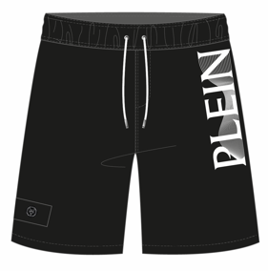 |  | PS25MBL02 | VERTICAL | 02 BLACK | 25.00 € | 70.00 € | 100% POLYESTER - 125 GSM | 23 | 43 | 45 | 136 | 25 | 272
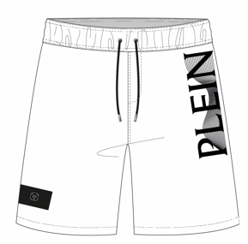 |  | PS25MBL02 | VERTICAL | 01 WHITE | 25.00 € | 70.00 € | 100% POLYESTER - 125 GSM | 1 | 14 | 9 | 36 | 0 | 60
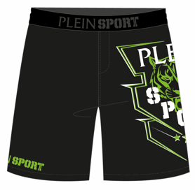 |  | PS25MBL03 | SPORT | 0205 BLACK/GREEN | 27.00 € | 75.00 € | 100% POLYESTER - 125 GSM | 0 | 4 | 7 | 14 | 0 | 25
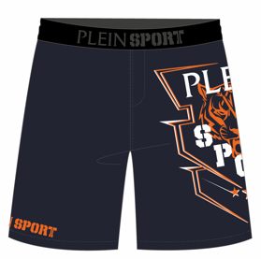 |  | PS25MBL03 | SPORT | 1420 NAVY/ORANGE | 27.00 € | 75.00 € | 100% POLYESTER - 125 GSM | 0 | 10 | 13 | 31 | 0 | 54
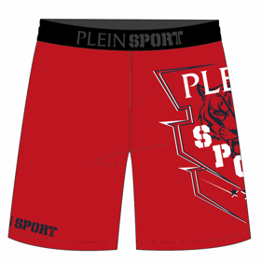 |  | PS25MBL03 | SPORT | 1314 RED/NAVY | 27.00 € | 75.00 € | 100% POLYESTER - 125 GSM | 0 | 0 | 0 | 2 | 0 | 2
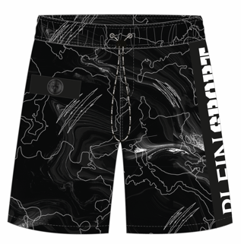 |  | PS25MBL05 | SMOKE | 02 BLACK | 27.00 € | 75.00 € | 100% POLYESTER - 125 GSM | 0 | 4 | 6 | 18 | 5 | 33
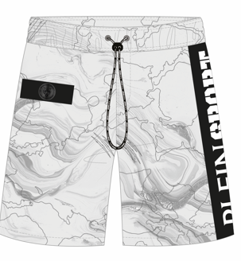 |  | PS25MBL05 | SMOKE | 01 WHITE | 27.00 € | 75.00 € | 100% POLYESTER - 125 GSM | 0 | 2 | 0 | 6 | 2 | 10
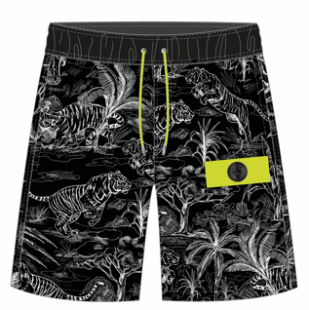 |  | PS25MBL06 | JUNGLE | 0201 BLACK/WHITE | 27.00 € | 75.00 € | 100% POLYESTER - 125 GSM | 0 | 0 | 11 | 5 | 0 | 16
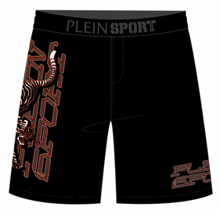 |  | PS25MBL07 | VERTICAL TIGER | 02 BLACK | 25.00 € | 70.00 € | 100% POLYESTER - 125 GSM | 0 | 14 | 30 | 37 | 1 | 82
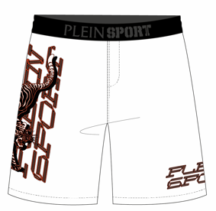 |  | PS25MBL07 | VERTICAL TIGER | 01 WHITE | 25.00 € | 70.00 € | 100% POLYESTER - 125 GSM | 0 | 4 | 6 | 10 | 2 | 22
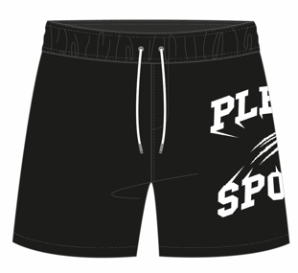 |  | PS25MBM01 | BASIC | 02 BLACK | 22.00 € | 60.00 € | 100% POLYESTER - 125 GSM | 7 | 15 | 0 | 3 | 0 | 25
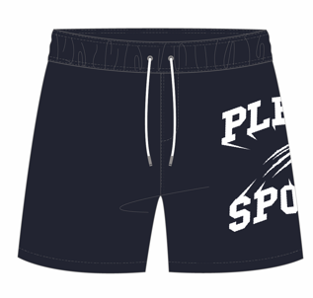 |  | PS25MBM01 | BASIC | 14 NAVY | 22.00 € | 60.00 € | 100% POLYESTER - 125 GSM | 1 | 8 | 4 | 15 | 2 | 30
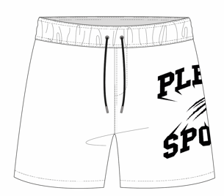 |  | PS25MBM01 | BASIC | 01 WHITE | 22.00 € | 60.00 € | 100% POLYESTER - 125 GSM | 1 | 6 | 1 | 12 | 0 | 20
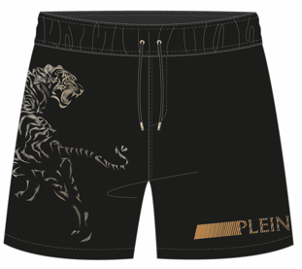 |  | PS25MBM02 | LUXE TIGER | 02 BLACK | 25.00 € | 70.00 € | 100% POLYESTER - 125 GSM | 22 | 48 | 25 | 89 | 15 | 199
 |  | PS25MBM02 | LUXE TIGER | 14 NAVY | 25.00 € | 70.00 € | 100% POLYESTER - 125 GSM | 27 | 68 | 71 | 83 | 32 | 281
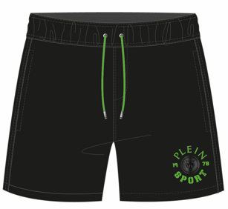 | 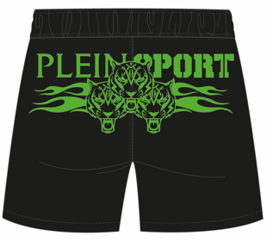 | PS25MBM03 | TIGER FLAME | 02 BLACK | 25.00 € | 70.00 € | 100% POLYESTER - 125 GSM | 2 | 3 | 1 | 31 | 8 | 45
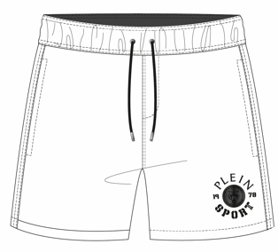 | 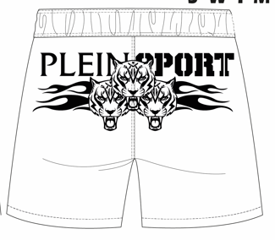 | PS25MBM03 | TIGER FLAME | 01 WHITE | 25.00 € | 70.00 € | 100% POLYESTER - 125 GSM | 0 | 7 | 8 | 11 | 1 | 27
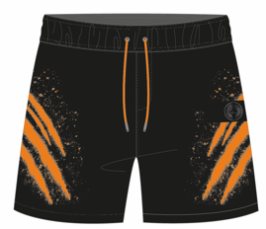 |  | PS25MBM04 | SCRATCH | 02 BLACK | 25.00 € | 70.00 € | 100% POLYESTER - 125 GSM | 71 | 9 | 35 | 136 | 68 | 319
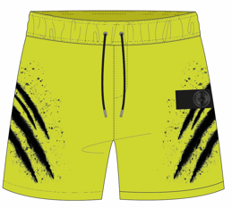 |  | PS25MBM04 | SCRATCH | 09 LIME | 25.00 € | 70.00 € | 100% POLYESTER - 125 GSM | 0 | 3 | 6 | 11 | 7 | 27
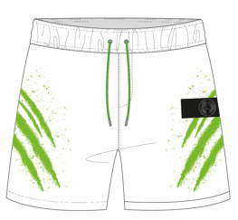 |  | PS25MBM04 | SCRATCH | 01 WHITE | 25.00 € | 70.00 € | 100% POLYESTER - 125 GSM | 39 | 82 | 109 | 135 | 53 | 418
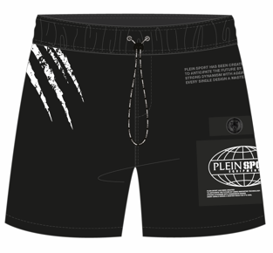 |  | PS25MBM05 | PLANET | 02 BLACK | 27.00 € | 75.00 € | 100% POLYESTER - 125 GSM | 59 | 20 | 42 | 167 | 89 | 377
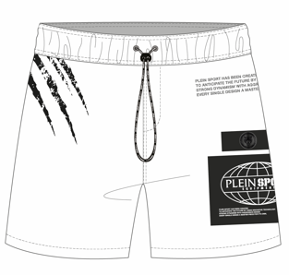 |  | PS25MBM05 | PLANET | 01 WHITE | 27.00 € | 75.00 € | 100% POLYESTER - 125 GSM | 19 | 51 | 63 | 98 | 24 | 255
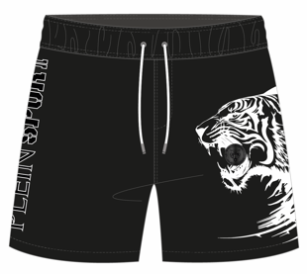 |  | PS25MBM06 | TIGER PATCH | 02 BLACK | 25.00 € | 70.00 € | 100% POLYESTER - 125 GSM | 99 | 2 | 4 | 138 | 85 | 328
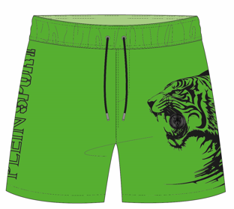 |  | PS25MBM06 | TIGER PATCH | 05 GREEN | 25.00 € | 70.00 € | 100% POLYESTER - 125 GSM | 8 | 0 | 9 | 26 | 8 | 51
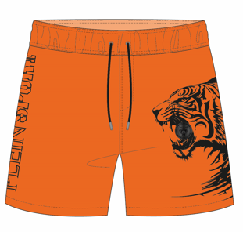 |  | PS25MBM06 | TIGER PATCH | 20 ORANGE | 25.00 € | 70.00 € | 100% POLYESTER - 125 GSM | 0 | 0 | 8 | 18 | 4 | 30
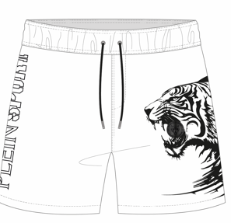 |  | PS25MBM06 | TIGER PATCH | 01 WHITE | 25.00 € | 70.00 € | 100% POLYESTER - 125 GSM | 49 | 80 | 90 | 123 | 48 | 390
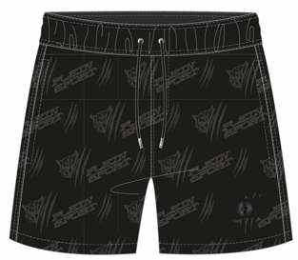 |  | PS25MBM07 | CALANDRATO | 02 BLACK | 25.00 € | 70.00 € | 100% POLYESTER - 125 GSM | 37 | 70 | 84 | 114 | 35 | 340
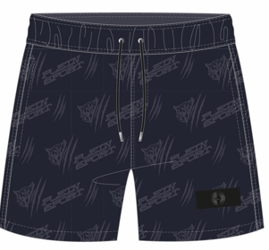 |  | PS25MBM07 | CALANDRATO | 14 NAVY | 25.00 € | 70.00 € | 100% POLYESTER - 125 GSM | 29 | 62 | 64 | 77 | 22 | 254
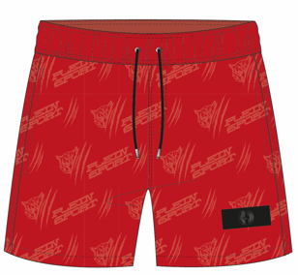 |  | PS25MBM07 | CALANDRATO | 13 RED | 25.00 € | 70.00 € | 100% POLYESTER - 125 GSM | 0 | 0 | 0 | 5 | 0 | 5
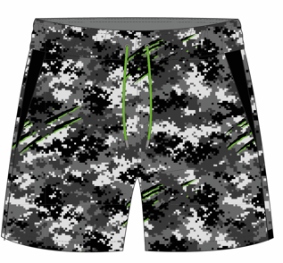 |  | PS25MBM08 | PIXEL | 0201 BLACK/WHITE | 25.00 € | 70.00 € | 100% POLYESTER - 125 GSM | 1 | 12 | 12 | 19 | 8 | 52
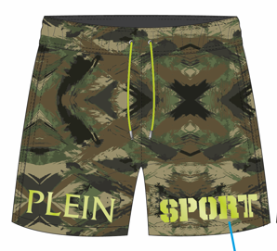 |  | PS25MBM09 | NEW CAMO | 0550 MILITARY | 27.00 € | 75.00 € | 100% POLYESTER - 125 GSM | 0 | 0 | 0 | 5 | 0 | 5
 |  | PS25MBM10 | CORE | 02 BLACK | 22.00 € | 60.00 € | 100% POLYESTER - 125 GSM | 5 | 21 | 17 | 26 | 7 | 76
 |  | PS25MBM10 | CORE | 09 LIME | 22.00 € | 60.00 € | 100% POLYESTER - 125 GSM | 7 | 17 | 9 | 19 | 8 | 60
 |  | PS25MBM10 | CORE | 14 NAVY | 22.00 € | 60.00 € | 100% POLYESTER - 125 GSM | 5 | 23 | 26 | 26 | 5 | 85
 |  | PS25MBM10 | CORE | 13 RED | 22.00 € | 60.00 € | 100% POLYESTER - 125 GSM | 6 | 19 | 22 | 17 | 4 | 68 | BOXER
 |  | PS25MBM10 | CORE | 01 WHITE | 22.00 € | 60.00 € | 100% POLYESTER - 125 GSM | 9 | 13 | 16 | 21 | 6 | 65 | 4408
 |  | PS25MPL01 | BASIC | 02 BLACK | 27.00 € | 75.00 € | PIQUE - 95% CO + 5% EA | 0 | 360 | 90 | 0 | 2 | 452
 |  | PS25MPL01 | BASIC | 05 GREEN | 27.00 € | 75.00 € | 60% PL +35% CO +5% EA | 0 | 15 | 3 | 0 | 0 | 18
 |  | PS25MPL01 | BASIC | 14 NAVY | 27.00 € | 75.00 € | PIQUE - 95% CO + 5% EA | 0 | 10 | 2 | 0 | 0 | 12
 |  | PS25MPL01 | BASIC | 01 WHITE | 27.00 € | 75.00 € | PIQUE - 95% CO + 5% EA | 3 | 25 | 1 | 0 | 0 | 29
 |  | PS25MPL02 | TIGER FLAME | 02 BLACK | 27.00 € | 75.00 € | PIQUE - 95% CO + 5% EA | 0 | 24 | 4 | 0 | 0 | 28
 |  | PS25MPL02 | TIGER FLAME | 13 RED | 27.00 € | 75.00 € | PIQUE - 95% CO + 5% EA | 0 | 13 | 6 | 0 | 5 | 24
 |  | PS25MPL03 | PLANET | 02 BLACK | 27.00 € | 75.00 € | PIQUE - 95% CO + 5% EA | 0 | 105 | 163 | 36 | 34 | 338 | POLO
 |  | PS25MPL03 | PLANET | 01 WHITE | 27.00 € | 75.00 € | PIQUE - 95% CO + 5% EA | 0 | 80 | 19 | 0 | 0 | 99 | 1000
 |  | PS25MTS01 | VERTICAL | 02 BLACK | 21.00 € | 60.00 € | 100% COTTON | 0 | 378 | 230 | 179 | 179 | 966
 | 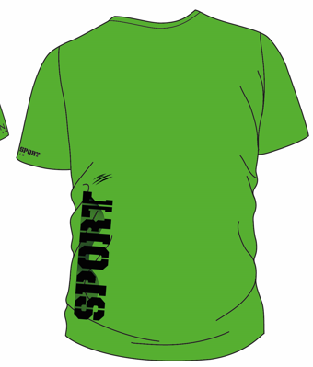 | PS25MTS01 | VERTICAL | 05 GREEN | 21.00 € | 60.00 € | 60% PL +35% CO +5% EA | 0 | 9 | 33 | 9 | 9 | 60
 |  | PS25MTS01 | VERTICAL | 20 ORANGE | 21.00 € | 60.00 € | 60% PL +35% CO +5% EA | 0 | 36 | 28 | 4 | 4 | 72
 |  | PS25MTS01 | VERTICAL | 01 WHITE | 21.00 € | 60.00 € | 100% COTTON | 0 | 224 | 221 | 178 | 134 | 757
 |  | PS25MTS02 | SCRATCH | 02 BLACK | 21.00 € | 60.00 € | 100% COTTON | 0 | 289 | 263 | 339 | 123 | 1014
 |  | PS25MTS02 | SCRATCH | 09 LIME | 21.00 € | 60.00 € | 60% PL +35% CO +5% EA | 0 | 25 | 25 | 27 | 33 | 110
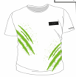 |  | PS25MTS02 | SCRATCH | 01 WHITE | 21.00 € | 60.00 € | 100% COTTON | 0 | 261 | 301 | 216 | 171 | 949
 |  | PS25MTS03 | PLANET | 02 BLACK | 23.00 € | 65.00 € | 100% COTTON | 0 | 270 | 263 | 213 | 170 | 916
 |  | PS25MTS03 | PLANET | 01 WHITE | 23.00 € | 65.00 € | 100% COTTON | 0 | 247 | 243 | 200 | 174 | 864
 |  | PS25MTS04 | SPORT | 0205 BLACK/GREEN | 23.00 € | 65.00 € | 95% CO +5% EA | 0 | 278 | 250 | 202 | 203 | 933
 |  | PS25MTS04 | SPORT | 1420 NAVY/ORANGE | 23.00 € | 65.00 € | 95% CO +5% EA | 0 | 158 | 195 | 168 | 158 | 679
 |  | PS25MTS04 | SPORT | 1314 RED/NAVY | 23.00 € | 65.00 € | 95% CO +5% EA | 0 | 81 | 86 | 56 | 0 | 223
 |  | PS25MTS05 | TIGER PIXEL | 02 BLACK | 21.00 € | 60.00 € | 95% CO +5% EA | 0 | 105 | 187 | 243 | 159 | 694
 |  | PS25MTS05 | TIGER PIXEL | 01 WHITE | 21.00 € | 60.00 € | 95% CO +5% EA | 0 | 200 | 337 | 55 | 148 | 740
 |  | PS25MTS06 | SMOKE | 02 BLACK | 23.00 € | 65.00 € | 100% COTTON | 0 | 39 | 76 | 89 | 77 | 281
 |  | PS25MTS06 | SMOKE | 01 WHITE | 23.00 € | 65.00 € | 100% COTTON | 0 | 122 | 80 | 85 | 87 | 374
 |  | PS25MTS07 | JUNGLE | 02 BLACK | 23.00 € | 65.00 € | 100% COTTON | 0 | 81 | 73 | 27 | 27 | 208
 |  | PS25MTS07 | JUNGLE | 01 WHITE | 23.00 € | 65.00 € | 100% COTTON | 0 | 80 | 61 | 25 | 25 | 191
 |  | PS25MTS08 | BASIC | 02 BLACK | 21.00 € | 60.00 € | 100% COTTON | 0 | 265 | 265 | 230 | 205 | 965
 |  | PS25MTS08 | BASIC | 05 GREEN | 21.00 € | 60.00 € | 60% PL +35% CO +5% EA | 0 | 57 | 0 | 57 | 57 | 171
 |  | PS25MTS08 | BASIC | 14 NAVY | 21.00 € | 60.00 € | 100% COTTON | 0 | 268 | 266 | 278 | 184 | 996
 |  | PS25MTS08 | BASIC | 20 ORANGE | 21.00 € | 60.00 € | 60% PL +35% CO +5% EA | 0 | 91 | 91 | 91 | 91 | 364
 |  | PS25MTS08 | BASIC | 01 WHITE | 21.00 € | 60.00 € | 100% COTTON | 0 | 203 | 291 | 138 | 193 | 825
 |  | PS25MTS09 | TIGER FLAME | 02 BLACK | 21.00 € | 60.00 € | 100% COTTON | 0 | 229 | 229 | 180 | 134 | 772
 |  | PS25MTS09 | TIGER FLAME | 09 LIME | 21.00 € | 60.00 € | 60% PL +35% CO +5% EA | 0 | 64 | 36 | 30 | 30 | 160
 |  | PS25MTS09 | TIGER FLAME | 13 RED | 21.00 € | 60.00 € | 100% COTTON | 0 | 187 | 202 | 168 | 169 | 726 | T-SHIRT
 |  | PS25MTS09 | TIGER FLAME | 01 WHITE | 21.00 € | 60.00 € | 100% COTTON | 0 | 201 | 176 | 167 | 176 | 720 | 15730
 | PS24TW02 | Beach towel | HALF TIGER | LIME | 22.00 € | 57.00 € | 100% COTTON (90 X 170) GARMENT DYED |  |  |  |  |  | 507
 | PS24TW02 | Beach towel | HALF TIGER | ORANGE | 22.00 € | 57.00 € | 100% COTTON (90 X 170) GARMENT DYED |  |  |  |  |  | 705
 | PS24TW02 | Beach towel | HALF TIGER | NAVY | 22.00 € | 57.00 € | 100% COTTON (90 X 170) GARMENT DYED |  |  |  |  |  | 907 | TELO MARE
 | PS24TW02 | Beach towel | HALF TIGER | BLACK | 22.00 € | 57.00 € | 100% COTTON (90 X 170) GARMENT DYED |  |  |  |  |  | 1315 | 3434
TOTAL |  |  |  |  |  |  |  |  |  |  |  |  | 24572

